Kneeboard Cards
Date: | 23-Mar-26 |  |  |  |  |  | PA / Max: | 150 / |  | ft | Date: |  |  | 23-Mar-26
Crew: | Thigpen / Aircrew 170 lbs / NONE / NONE / NONE |  |  |  |  |  | OAT / Max: | / 24 |  | °C | Crew: |  |  | Thigpen / Aircrew 170 lbs / NONE / NONE / NONE
A/C: | Aft CG |  |  |  |  |  | DA / Max: | / 500 |  | ft | A/C: |  |  | Aft CG |  |  |  |  |  | Spot:
Mission: |  |  |  |  |  |  |  |  |  |  | Mission:
Item | Weight |  | Long. CG |  | Lat. CG |  | Power Avail. (%) |  | Power Req. (%) |  | WEATHER
 | (kg) | (lbs) | (mm) | (in.) | (mm) | (in.) | Takeoff | Cont. | IGE | OGE | OBS TIME: |  |  |  |  |  | L
Dry Weight | 2119 | 4672 |  |  |  |  |  |  |  |  | Wind (kts) |  |  |  |  | Vis (SM) |  |  | Sky
Takeoff Fuel* | 431 | 950 |  |  |  |  |  |  |  |  |  |  | /
Gross Takeoff | 2542 | 5604 | 3552 | 140 | -15 | -0.6 | 104.0 | 87.0 | 66 | 77 | OAT / DP (°C) |  |  |  |  | PA (ft) |  |  | Altimeter (in. Hg) |  |  |  |  | DA (ft) (MAX) |  |  |  |  |  | SST (°F) |  | Frz Lvl
Landing Fuel* | 23 | 50 |  |  |  |  |  |  |  |  |  |  | / |  |  | 150 |  |  |  |  |  |  |  |  |  | ( | 500 |  | )
Gross Landing | 2134 | 4704 | 3482 | 137 | -20 | -0.8 | 104.0 | 87.0 | 54 | 63 | Max |  |  |  |  | Max
 |  |  |  |  |  |  |  |  |  |  | 24
Hoist Load |  |  |  |  |  |  |  |  |  |  | FORECAST
Hoist Ops Fuel*
Gross Hoist Ops |  |  |  |  |  |  | 104.0 | 87.0 |  | #VALUE!
Cargo Hook Load
Hook Ops Fuel*
Gross Hook Ops |  |  |  |  |  |  | 104.0 | 87.0 |  | #VALUE! | ATIS
*Note: Fuel mass shown is "indicated" (includes both usable and unusable). Unusable fuel (17 lbs / 8 kg) is included in "dry weight." |  |  |  |  |  |  |  |  |  |  | INFO: |  | WIND: |  |  |  | VIS: | CEIL: |  |  |  | TEMP/DP: |  | ALT: |  |  |  | DA: |  |  |  | RWY:
Weight and Longitudinal CG Envelope
 | Limit (Normal) |  | Limit (Hook Ops) |  | CG (Hoist) |  | CG |  | CG (Hook)
140.9 | 6283 | 138.7 | 6944 |  | 0 | 140 | 5604 |  | 0
140.9 | 3803 | 140.9 | 5401 |  |  | 137 | 4704
138.9 | 3803 | 140.9 | 3803
136.1 | 3995 | 138.9 | 3803
129.3 | 4762 | 136.1 | 3995
129.3 | 5580 | 131.6 | 4504
133.5 | 6283 | 131.6 | 6283
140.9 | 6283 | 134.3 | 6944
 |  | 138.7 | 6944

 |  |  |  |  |  |  |  |  |  |  |  | PLAN |  | / | ACTUAL (FUEL) |  |  |  | CLEARANCE
 |  |  |  |  |  |  |  |  |  |  | WALK |  |  |  |  |  |  |  | C |  |  |  |  |  |  | F
 |  |  |  |  |  |  |  |  |  |  |  |  |  | /

 |  |  |  |  |  |  |  |  |  |  | T/O |  |  |  |  |  |  |  | R |  |  |  |  |  |  | T
 |  |  |  |  |  |  |  |  |  |  |  |  |  | /

 |  |  |  |  |  |  |  |  |  |  | HS | LAND
 |  |  |  |  |  |  |  |  |  |  | | |  |  | / |  |  |  |  | A

 |  |  |  |  |  |  |  |  |  |  | DEBRIEF
 |  |  |  |  |  |  |  |  |  |  |  |  |  | /
Weight and Lateral CG Envelope
 | Limit (Normal) |  | Limit (Hoist Ops) |  | Limit (Hook Ops) |  | CG |  | CG (Hoist) |  | CG (Hook)
2.1 | 6283 | 7.1 | 6283 | 1.9 | 6944 | -1 | 5604 |  | 0 |  | 0
2.4 | 5401 | 7.9 | 5997 | 2.4 | 5401 | -1 | 4704
2.4 | 3803 | 7.9 | 3803 | 2.4 | 3803
-2.4 | 3803 | -2.4 | 3803 | -2.4 | 3803
-2.4 | 5401 | -2.4 | 5401 | -2.4 | 5401
-2.1 | 6283 | -2.1 | 6283 | -1.9 | 6944
2.1 | 6283 | 7.1 | 6283 | 1.9 | 6944
 |  |  |  |  |  |  |  |  |  |  | PERFORMANCE
 |  |  |  |  |  |  |  |  |  |  | POWER AVAIL (%) |  |  |  |  |  |  |  |  |  | POWER REQ (%)
 |  |  |  |  |  |  |  |  |  |  | CALCULATED |  |  |  |  | ACTUAL |  |  |  |  |  |  | CALCULATED |  |  |  | ACTUAL
 |  |  |  |  |  |  |  |  |  |  | T/O |  | CONT |  |  | T/O |  | CONT |  |  |  |  | IGE |  | OGE |  |  | IGE |  |  | OGE
 |  |  |  |  |  |  |  |  |  |  | 104.0 |  | 87.0 |  |  |  |  |  |  |  | Takeoff |  | 66 |  | 77

 |  |  |  |  |  |  |  |  |  |  |  |  |  |  |  |  |  |  |  |  | Landing |  | 54 |  | 63

 |  |  |  |  |  |  |  |  |  |  |  |  |  |  |  |  |  |  |  |  | Hoist |  |  |  | #VALUE!

 |  |  |  |  |  |  |  |  |  |  |  |  |  |  |  |  |  |  |  |  | Hook |  |  |  | #VALUE!

 |  |  |  |  |  |  |  |  |  |  | NOTES

NATOPS Question of the Day:

Emergency of the Day:

PIC SIGNATURE:

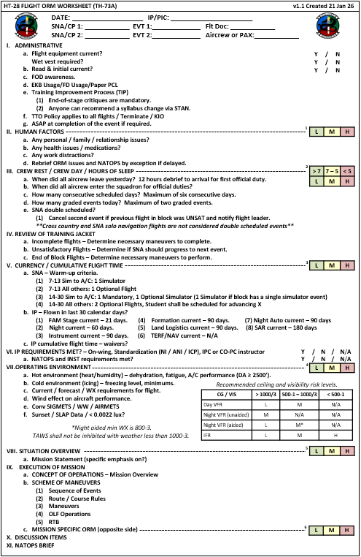
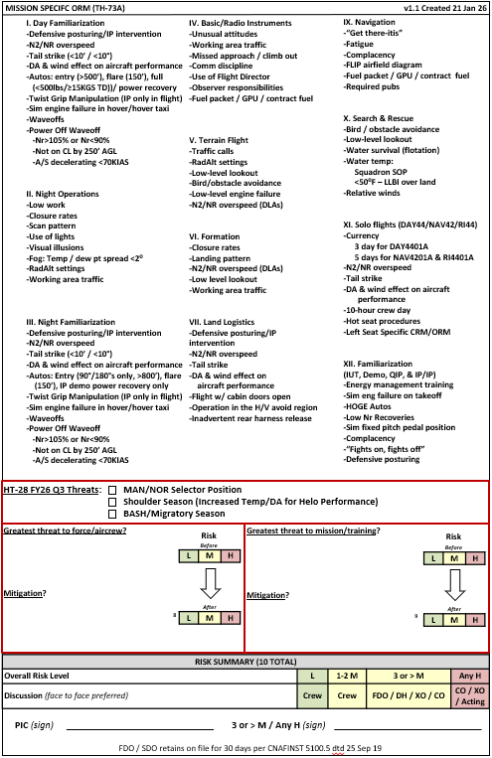

Chart E W&B Form
CHART E - WEIGHT & BALANCE COMPUTATION FORM
MODEL | S/N | REGISTRATION MARKS |  |  | DATE | PLACE | COMPUTED BY | HOIST OPS (Y/N) | HOOK OPS (Y/N)
TH-73 | 170180 | Aft CG |  |  | 23-Mar-26 | KNDZ | Thigpen | NO | NO
Ref. | ITEM |  | WEIGHT | STA | LONG. MOMENT | BL | LAT.Moment | LONG. CG | LAT. CG
 |  |  | (KG) | (MM) | (Kg mm) | (mm) | (Kg mm) | (mm) | (mm)
1 | Helicopter Basic (Ref. to Chart C) |  | 1934 |  | 7084760 |  | -39793
Weight and Longitudinal CG Envelope
 | Limit (Normal) |  | Limit (Hook Ops) |  | CG |  | Hoist Ops CG |  | Hook Ops CG
3580 | 2850 | 3524 | 3150 | 3552 | 2542 |  | 0 |  | 0
3580 | 1725 | 3580 | 2450 | 3482 | 2134
3528 | 1725 | 3580 | 1725
3457 | 1812 | 3528 | 1725
3284 | 2160 | 3457 | 1812
3284 | 2531 | 3342 | 2043
3392 | 2850 | 3342 | 2850
3580 | 2850 | 3410 | 3150
 |  | 3524 | 3150
Weight and Longitudinal CG Envelope
 | Limit (Normal) |  | Limit (Hook Ops) |  | CG |  | Hoist Ops CG |  | Hook Ops CG
140.9 | 6283 | 138.7 | 6944 | 140 | 5604 |  | 0 |  | 0
140.9 | 3803 | 140.9 | 5401 | 137 | 4704
138.9 | 3803 | 140.9 | 3803
136.1 | 3995 | 138.9 | 3803
129.3 | 4762 | 136.1 | 3995
129.3 | 5580 | 131.6 | 4504
133.5 | 6283 | 131.6 | 6283
140.9 | 6283 | 134.3 | 6944
 |  | 138.7 | 6944
2 | PILOT (Right) |  | 84 | 1585 | 133723 | 350 | 29529
Note: Hoist CG limits are identical to normal limits.
Note: Hoist CG limits are identical to normal limits.
3 | COPILOT (Left) |  | 83 | 1585 | 130848 | -325 | -26830
4 | CABIN (Middle) |  | 0 | 2741 | 0 | 0 | 0
5 | CABIN (Right) |  | 0 | 3200 | 0 | 430 | 0
6 | HOIST LOAD |  | 68 | 2437 |  | 1195
7 | CABIN (Left) |  | 0 | 3200 | 0 | -430 | 0
8
9
10 | LOOSE EQUIPMENT LOAD |  | 14 | 1585 | 21568 | 0 | 0
11 | CABIN LOAD |  | 5 | 2464 | 11176 | 0 | 0
12 | BAGGAGE COMPARTMENT LOAD
 | ZONE 1 |  | 0 | 4880 | 0 | 0 | 0
Weight and Lateral CG Envelope
 | Limit (Normal) |  | Limit (Hoist Ops) |  | Limit (Hook Ops) |  | CG |  | CG (Hoist) |  | CG (Hook)
53 | 2850 | 180 | 2850 | 48 | 3150 | -15 | 2542 |  | 0 |  | 0
60 | 2450 | 200 | 2720 | 60 | 2450 | -20 | 2134
60 | 1725 | 200 | 1725 | 60 | 1725
-60 | 1725 | -60 | 1725 | -60 | 1725
-60 | 2450 | -60 | 2450 | -60 | 2450
-53 | 2850 | -53 | 2850 | -48 | 3150
53 | 2850 | 180 | 2850 | 48 | 3150
Weight and Lateral CG Envelope
 | Limit (Normal) |  | Limit (Hoist Ops) |  | Limit (Hook Ops) |  | CG |  | CG (Hoist) |  | CG (Hook)
2.1 | 6283 | 7.1 | 6283 | 1.9 | 6944 | -1 | 5604 |  | 0 |  | 0
2.4 | 5401 | 7.9 | 5997 | 2.4 | 5401 | -1 | 4704
2.4 | 3803 | 7.9 | 3803 | 2.4 | 3803
-2.4 | 3803 | -2.4 | 3803 | -2.4 | 3803
-2.4 | 5401 | -2.4 | 5401 | -2.4 | 5401
-2.1 | 6283 | -2.1 | 6283 | -1.9 | 6944
2.1 | 6283 | 7.1 | 6283 | 1.9 | 6944
 | ZONE 2 |  | 0 | 5240 | 0 | 0 | 0
 | ZONE 3 |  | 0 | 5560 | 0 | 0 | 0
18 | DOORS: | ON/CLOSED | 0 | 0 | 0 | 0 | 0
19 | EXT. LOAD (CARGO HOOK) |  |  | 3330 |  | 0
20
21 | DRY WEIGHT |  | 2119 |  | 7382074 |  | -37094
22 | USABLE FUEL (at Take-off) |  | 423 |  | 1648090 |  | 0
23 | GROSS WEIGHT (at Take-off) |  | 2542 |  | 9030164 |  | -37094 | 3552 | -15
24 | USABLE FUEL (at Landing) |  | 15 |  | 48795 |  | -4844
25 | GROSS WEIGHT (at Landing) |  | 2134 |  | 7430869 |  | -41938 | 3482 | -20
26 | BALLAST (if required)
27 | USABLE MISSION FUEL (Hoist Ops)
28 | MISSION GROSS WEIGHT (Hoist Ops)
27 | USABLE MISSION FUEL (Cargo Hook Ops)
28 | MISSION GROSS WEIGHT (Cargo Hook Ops)
Notes:
(1) Usable fuel is fuel load minus 8 kg, which is already included in base helicopter weight.
(2) Max hoist operator weight is 227 kg (500 lb); max hoist load is 204 kg (450 lb)
(3) Max cargo hook weight 1400 kg (3086 lb) [≤ 9k ft]; dec max load 50 kg (110 lb) every 1,000 ft above 9,000 ft
(4) C.G. assumes hoist/hook operator is in the hoist station for both hook and hoist operations and in the operator seat for non-hook/non-hoist operations
(5) Use heaviest planned on-station fuel load for "MISSION FUEL"
(6) Hoist operator, hoist load, and external load weights are omitted from "Take-off" and "Landing" calculations.

Performance Calculations
Note: Performance calculations assume HEATER and A/C are OFF. See NFM/PCL for associated correction factors.

Max Temp | Gross Weight (lb) |  | TOP | MCP | HOGE | HIGE
24 | Takeoff | 5604 | 104.0 | 87.0 | 77 | 66
Max PA | Landing | 4704 | 104.0 | 87.0 | 63 | 54
0 | Hoist Ops | #VALUE! | 104.0 | 87.0 | #VALUE!
 | Hook Ops | #VALUE! | 104.0 | 87.0 | #VALUE!

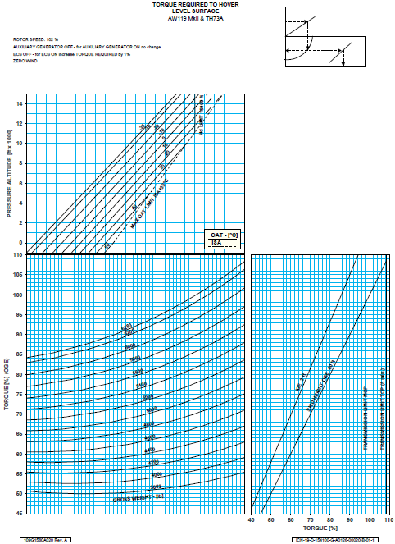
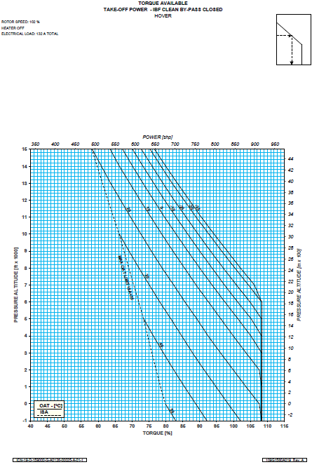
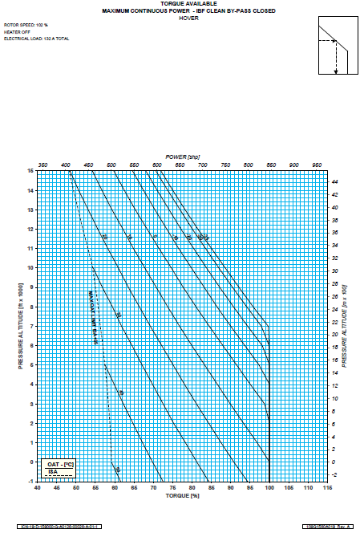

Kneeboard Cards (Blank)
Date: |  |  |  |  |  |  | PA / Max: |  |  | ft | Date:
Crew: |  |  |  |  |  |  | OAT / Max: |  |  | °C | Crew:
A/C: |  |  |  |  |  |  | DA / Max: |  |  | ft | A/C: |  |  |  |  |  |  |  |  |  |  |  |  | Spot:
Mission: |  |  |  |  |  |  |  |  |  |  | Mission:
Item | Weight |  | Long. CG |  | Lat. CG |  | Power Avail. (%) |  | Power Req. (%) |  | WEATHER
 | (kg) | (lbs) | (mm) | (in.) | (mm) | (in.) | Takeoff | Cont. | IGE | OGE | OBS TIME: |  |  |  |  |  |  |  | L
Dry Weight |  |  |  |  |  |  |  |  |  |  | Wind (kts) |  |  |  |  |  |  | Vis (SM) |  |  |  | Sky
Takeoff Fuel* |  |  |  |  |  |  |  |  |  |  |  |  |  | /
Gross Takeoff |  |  |  |  |  |  |  |  |  |  | OAT / DP (°C) |  |  |  |  |  |  | PA (ft) |  |  |  | Altimeter (in. Hg) |  |  |  |  |  |  | DA (ft) (MAX) |  |  |  |  |  |  |  | SST (°F) |  | Frz Lvl
Landing Fuel* |  |  |  |  |  |  |  |  |  |  |  |  |  | / |  |  |  | 150 |  |  |  |  |  |  |  |  |  |  |  |  |  | ( |  |  |  | )
Gross Landing |  |  |  |  |  |  |  |  |  |  | Max |  |  |  |  |  |  | Max

Hoist Load |  |  |  |  |  |  |  |  |  |  | FORECAST
Hoist Ops Fuel*
Gross Hoist Ops |  |  |  |  |  |  | 104.0 | 87.0 |  | #VALUE!
Cargo Hook Load
Hook Ops Fuel*
Gross Hook Ops |  |  |  |  |  |  | 104.0 | 87.0 |  | #VALUE! | ATIS
*Note: Fuel mass shown is "indicated" (includes both usable and unusable). Unusable fuel (17 lbs / 8 kg) is included in "dry weight." |  |  |  |  |  |  |  |  |  |  | INFO: |  |  | WIND: |  |  |  |  | VIS: |  | CEIL: |  |  |  |  | TEMP/DP: |  |  | ALT: |  |  |  |  | DA: |  |  |  |  | RWY:
Weight and Longitudinal CG Envelope
 | Limit (Normal) |  | Limit (Hook Ops)
140.9 | 6283 | 138.7 | 6944
140.9 | 3803 | 140.9 | 5401
138.9 | 3803 | 140.9 | 3803
136.1 | 3995 | 138.9 | 3803
129.3 | 4762 | 136.1 | 3995
129.3 | 5580 | 131.6 | 4504
133.5 | 6283 | 131.6 | 6283
140.9 | 6283 | 134.3 | 6944
 |  | 138.7 | 6944

 |  |  |  |  |  |  |  |  |  |  |  | PLAN |  |  | / | ACTUAL (FUEL) |  |  |  |  |  | CLEARANCE
 |  |  |  |  |  |  |  |  |  |  | WALK |  |  |  |  |  |  |  |  |  |  | C |  |  |  |  |  |  |  |  |  | F
 |  |  |  |  |  |  |  |  |  |  |  |  |  |  | /

 |  |  |  |  |  |  |  |  |  |  | T/O |  |  |  |  |  |  |  |  |  |  | R |  |  |  |  |  |  |  |  |  | T
 |  |  |  |  |  |  |  |  |  |  |  |  |  |  | /

 |  |  |  |  |  |  |  |  |  |  | HS | LAND
 |  |  |  |  |  |  |  |  |  |  |  |  |  |  | / |  |  |  |  |  |  | A

 |  |  |  |  |  |  |  |  |  |  | DEBRIEF
 |  |  |  |  |  |  |  |  |  |  |  |  |  |  | /
Weight and Lateral CG Envelope
 | Limit (Normal) |  | Limit (Hoist Ops) |  | Limit (Hook Ops)
2.1 | 6283 | 7.1 | 6283 | 1.9 | 6944
2.4 | 5401 | 7.9 | 5997 | 2.4 | 5401
2.4 | 3803 | 7.9 | 3803 | 2.4 | 3803
-2.4 | 3803 | -2.4 | 3803 | -2.4 | 3803
-2.4 | 5401 | -2.4 | 5401 | -2.4 | 5401
-2.1 | 6283 | -2.1 | 6283 | -1.9 | 6944
2.1 | 6283 | 7.1 | 6283 | 1.9 | 6944
 |  |  |  |  |  |  |  |  |  |  | PERFORMANCE
 |  |  |  |  |  |  |  |  |  |  | POWER AVAIL (%) |  |  |  |  |  |  |  |  |  |  |  |  |  | POWER REQ (%)
 |  |  |  |  |  |  |  |  |  |  | CALCULATED |  |  |  |  |  |  | ACTUAL |  |  |  |  |  |  |  |  |  | CALCULATED |  |  |  |  | ACTUAL
 |  |  |  |  |  |  |  |  |  |  | T/O |  |  | CONT |  |  |  | T/O |  |  | CONT |  |  |  |  |  |  | IGE |  | OGE |  |  |  | IGE |  |  |  | OGE
 |  |  |  |  |  |  |  |  |  |  |  |  |  |  |  |  |  |  |  |  |  |  |  |  | Takeoff

 |  |  |  |  |  |  |  |  |  |  |  |  |  |  |  |  |  |  |  |  |  |  |  |  | Landing

 |  |  |  |  |  |  |  |  |  |  |  |  |  |  |  |  |  |  |  |  |  |  |  |  | Hoist

 |  |  |  |  |  |  |  |  |  |  |  |  |  |  |  |  |  |  |  |  |  |  |  |  | Hook

 |  |  |  |  |  |  |  |  |  |  | NOTES

NATOPS Question of the Day:

Emergency of the Day:

Route of Flight / Operating Area:

MISSION SPECIFIC ORM (TH-73A)
Day FAM Mission Specific ORM
Defensive Posturing/ Instructor Intervention
N2/NR Overspeed
Tail Strike
DA and Wind Effect on Aircraft Performance
Autorotations: Entry, Flare, Full/Power recovery, Power off Wave off (IP/IUT Only)
Sim. Eng. Fail in Hover / Hover Taxi
Waveoff
Land Logistics Mission Specific ORM
Defensive Posturing/ Instructor Intervention
N2/NR Overspeed
Tail Strike
DA and Wind Effect on Aircraft Performance
Flight with Cabin Doors Open
Operation in the H-V Avoid Region
Patterns / Operating Areas / LZ
 |  |  |  |  |  |  |  |  |  |  | HT-28 ORM WORKSHEET
 |  |  |  |  |  |  |  |  |  |  |  |  |  |  |  |  | Date:
 |  |  |  |  |  |  |  |  |  |  |  |  |  |  |  |  | PIC Name:
 |  |  |  |  |  |  |  |  |  |  |  |  |  |  |  |  | SNA/CP Name(s):
 |  |  |  |  |  |  |  |  |  |  |  | 1) Human Factors |  |  |  |  |  |  |  |  |  |  |  |  |  |  |  |  | 4) Night Flight

 |  |  |  |  |  |  |  |  |  |  |  |  |  |  | Minimal Issues |  |  | Issues with controls |  | Sig. Issues. Unable to control |  |  |  |  |  | Mitigated |  |  |  |  | LOW |  | > 25% illum. VMC
 |  |  |  |  |  |  |  |  |  |  |  |  |  |  |  |  |  |  |  |  |  |  |  |  |  | Overall |  |  |  |  | MED |  | Up to 25% illum.
 |  |  |  |  |  |  |  |  |  |  |  |  |  |  |  |  |  |  |  |  |  |  |  |  |  | Risk (L/M/H) |  |  |  |  | HIGH |  | <25% illum & unaided
 |  |  |  |  |  |  |  |  |  |  |  | PIC/IP |  |  | LOW |  |  | MED |  | HIGH
 |  |  |  |  |  |  |  |  |  |  |  | CP/SNA |  |  | LOW |  |  | MED |  | HIGH
 |  |  |  |  |  |  |  |  |  |  |  | OBS/IUT |  |  | LOW |  |  | MED |  | HIGH |  |  |  |  |  |  |  |  | 5) Ceiling / Visibility
 |  |  |  |  |  |  |  |  |  |  |  | AC/OBS |  |  | LOW |  |  | MED |  | HIGH
 |  |  |  |  |  |  |  |  |  |  |  |  |  |  |  |  |  |  |  |  |  |  |  |  |  |  |  |  |  |  | LOW |  | RWOP + 500/1
LLNAV Mission Specific ORM
Traffic Calls
RadAlt Settings
Low-Level Lookout
Bird/Obstacle Avoidance
Low-Level Engine Failure
N2/NR Overspeed (TLAs)
 |  |  |  |  |  |  |  |  |  |  |  | 2) Sleep Last 24 Hours / Discuss Cumulative Fatigue |  |  |  |  |  |  |  |  |  |  |  |  |  |  |  |  |  |  | MED |  | RWOP Mins
Night Mission Specific ORM
Low Work
Closure Rates
Scan Pattern
Use of Lights
Visual Illusions
Temp/ Dew point Spread
RadAlt Settings
Working Area Traffic
 |  |  |  |  |  |  |  |  |  |  |  |  |  |  |  |  |  |  |  |  |  |  |  |  |  |  |  |  |  |  | HIGH |  | < RWOP
 |  |  |  |  |  |  |  |  |  |  |  |  |  |  | > 7 |  |  | 5 - 7 |  | < 5
 |  |  |  |  |  |  |  |  |  |  |  | Hours
 |  |  |  |  |  |  |  |  |  |  |  |  |  |  |  |  |  |  |  |  |  |  |  |  |  |  |  |  | 6) Winds
 |  |  |  |  |  |  |  |  |  |  |  | PIC/IP |  |  | LOW |  |  | MED |  | HIGH
 |  |  |  |  |  |  |  |  |  |  |  | CP/SNA |  |  | LOW |  |  | MED |  | HIGH |  |  |  |  |  |  |  |  |  |  | LOW |  | 5-25 kts
 |  |  |  |  |  |  |  |  |  |  |  | OBS/IUT |  |  | LOW |  |  | MED |  | HIGH |  |  |  |  |  |  |  |  |  |  | MED |  | < 5 kts or 25-35 kts
 |  |  |  |  |  |  |  |  |  |  |  | AC/OBS |  |  | LOW |  |  | MED |  | HIGH |  |  |  |  |  |  |  |  |  |  | No-Go |  | >35 kts
Formation Mission Specific ORM
Closure Rates
Landing Pattern
N2/NR Overspeed (Avoid Rapid Reduction of Collective)
Working Area Traffic
 |  |  |  |  |  |  |  |  |  |  |  | 3) Crew Day / Crew Rest
 |  |  |  |  |  |  |  |  |  |  |  |  |  |  |  |  |  |  |  |  |  |  |  |  |  |  |  |  | 7) SIGMETS/WW
 |  |  |  |  |  |  |  |  |  |  |  |  |  |  | < 12 prior to 2200 |  |  | ≥ 10 on deck after 2200 (req CO app.) |  | > 12 crew day or < 12 crew rest
 |  |  |  |  |  |  |  |  |  |  |  | Hours |  |  |  |  |  |  |  |  |  |  |  |  |  |  |  |  |  |  | LOW |  | No SIGMET

Basic / Radio Instrument Mission Specific ORM
Unusual Attitudes
Working Area Traffic
Missed Approach/Climb Out
Comm Discipline
Use of Flight Director
Use of EKB
Fuel Packet / GPU / Contract Fuel
 |  |  |  |  |  |  |  |  |  |  |  | PIC/IP |  |  | LOW |  |  | MED |  | No-Go |  |  |  |  |  |  |  |  |  |  | MED |  | VMC in a SIGMET - Revokable by CO
 |  |  |  |  |  |  |  |  |  |  |  | CP/SNA |  |  | LOW |  |  | MED |  | No-Go
 |  |  |  |  |  |  |  |  |  |  |  | OBS/IUT |  |  | LOW |  |  | MED |  | No-Go |  |  |  |  |  |  |  |  |  |  | HIGH |  | WW not progressing as forecast; w/ permission
 |  |  |  |  |  |  |  |  |  |  |  | AC/OBS |  |  | LOW |  |  | MED |  | No-Go

 |  |  |  |  |  |  |  |  |  |  |  |  | 8)
 |  |  |  |  |  |  |  |  |  |  |  |  |  | Pressure to complete |  |  |  |  |  |  |  | Mission (Contact / Inst / NVG / Etc.)
 |  |  |  |  |  |  |  |  |  |  |  |  |  | LOW |  |  | MED |  | HIGH

 |  |  |  |  |  |  |  |  |  |  |  | Review of training jacket |  |  |  |  |  |  |  | Currency/Cumulative Flight Time
 |  |  |  |  |  |  |  |  |  |  |  | EOB Requirements |  |  |  |  |  |  |  |  |  |  | SNA Warm-up |  |  |  | IP Currency |  |  |  |  |  |  |  | IP Flight Waivers Y / N
 |  |  |  |  |  |  |  |  |  |  |  | Incomplete |  |  |  |  |  |  |  |  |  |  | WU Eligible (7-13 days) |  |  |  | Day Fam = 21 Days |  |  |  |  |  |  |  | Forms / Logs / INST = 90 Days
SAR Mission Specific ORM
Defensive Posturing / Instructor Intervention
DA and Wind Effect on Aircraft Performance
Sea Surface Temperature and Wind
SAR Pattern Setup
CRM while conducting SAR
Low Level BI Scan Overwater
 |  |  |  |  |  |  |  |  |  |  |  | Previous UNSAT |  |  |  |  |  |  |  |  |  |  | WU Required (14-30 days) |  |  |  | Night = 60 Days |  |  |  |  |  |  |  | SAR = 180 Days

 |  |  |  |  |  |  |  |  |  |  |  | Others (TW-5 Briefing Guide)
 |  |  |  |  |  |  |  |  |  |  |  | FOD Awareness |  |  |  |  |  |  |  | Hot-start Avoidance |  |  |  |  |  |  |  | TTO/DOR Policy |  |  |  |  |  |  | Hot or Cold WX Precautions

 |  |  |  |  |  |  |  |  |  |  |  | Flight Equipment / EKB Usage |  |  |  |  |  |  |  | SNA Double-Scheduled |  |  |  |  |  |  |  | Read & Initial Currency |  |  |  |  |  |  | Mission-Specific ORM

 |  |  |  |  |  |  |  |  |  |  |  | Crew-identified Top 3 Hazards + Associated Controls / Mitigations

 |  |  |  |  |  |  |  |  |  |  |  | All 'LOW' or ≤ 3 'MED': PIC SIGNATURE:

 |  |  |  |  |  |  |  |  |  |  |  | > 3 'MED' or ANY 'HIGH': DH / XO / CO SIGNATURE:

NATOPS Tables
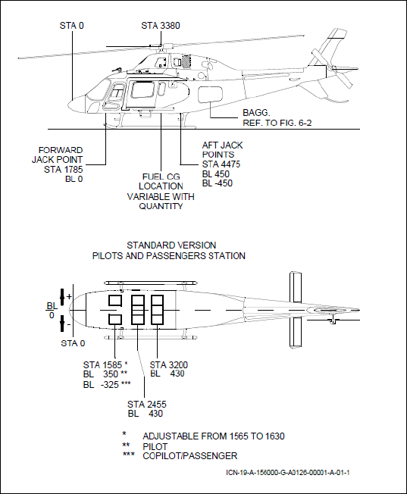
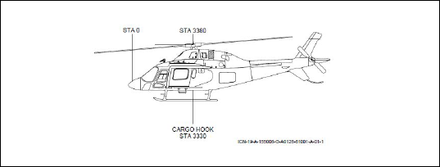
 |  |  |  |  |  |  |  |  | Figure 6-1 | Figure 6-2
Lateral Arms |  |  | Doors Open or Removed
Item | But Line (Arm) (mm) |  | Door Configuration | Weight Change (kg) | Longitudinal Arm (mm) | Moment Change (kg mm)
Pilot | 350 |  | Right sliding door rmvd | -8.000 | 2650 | -21200
Copilot | -325 |  | Left sliding door rmvd | -8.000 | 2650 | -21200
Passengers |  |  | Right sliding door open | 0 | 3650 | 8000
Center (Lt) | -430 |  | Left sliding door open | 0 | 3650 | 8000
Center (Md) | 0
Center (Rt) | 430
Aft (Lt) | -430 |  |  |  |  |  |  |  |  | Figure 6-14
Aft (Md) | 0
Aft (Rt) | 430
Baggage | 0
Engine Oil | 0
Trans. Oil | 0

Longitudinal Moments
Pilots and Passengers
Weight (kg) | Pilot/Copilot (Arm 1585) Moment (kg mm) | Passengers 3 Places Central Seat Aft Facing (Arm 2455) Moment (kg mm) | Passengers 3 Places Aft Seat (Arm 3200) Moment (kg mm) | Operator's Seat (Arm 2741) Moment (kg mm)
60 | 95100 | 147300 | 192000 | 164460
65 | 103025 | 159575 | 208000 | 178165
70 | 110950 | 171850 | 224000 | 191870
75 | 118875 | 184125 | 240000 | 205575
80 | 126800 | 196400 | 256000 | 219280
85 | 134725 | 208675 | 272000 | 232985
90 | 142650 | 220950 | 288000 | 246690
95 | 150575 | 233225 | 304000 | 260395
100 | 158500 | 245500 | 320000 | 274100
120 | 190200 | 294600 | 384000 | 328920
140 | 221900 | 343700 | 448000 | 383740
160 | 253600 | 392800 | 512000 | 438560
180 | 285300 | 441900 | 576000 | 493380
200 | 317000 | 491000 | 640000 | 548200
220 |  | 540100 | 704000 | 603020
240 |  | 589200 | 768000 | 657840
260 |  | 638300 | 832000 | 712660
280 |  | 687400 | 896000 | 767480
300 |  | 736500 | 960000 | 822300
320 |  | 785600 | 1024000 | 877120
 |  |  |  |  | Lateral Moments
Usable Fuel - Main Fuel Tank (for JP5/JET A/JET A-1) |  |  |  |  | Usable Fuel - Main Fuel Tank (for JP5/JET A/JET A-1)
Weight (kg) | Capacity I (0.8 kg/l) | Arm (mm) | Moment (kg mm) |  | Weight (kg) | Capacity I (0.8 kg/l) | Arm (mm) | Moment (kg mm)
20.0 | 25.0 | 3324 | 66480 |  | 20.0 | 25.0 | -330 | -6600
40.0 | 50.0 | 3327 | 133080 |  | 40.0 | 50.0 | -330 | -13200
60.0 | 75.0 | 3329 | 199740 |  | 60.0 | 75.0 | -330 | -19800
80.0 | 100.0 | 3331 | 266480 |  | 80.0 | 100.0 | -330 | -26400
100.0 | 125.0 | 3399 | 339900 |  | 100.0 | 125.0 | -330 | -33000
120.0 | 150.0 | 3461 | 415320 |  | 120.0 | 150.0 | -330 | -39600
140.0 | 175.0 | 3505 | 490700 |  | 140.0 | 175.0 | -236 | -33040
160.0 | 200.0 | 3539 | 566240 |  | 160.0 | 200.0 | -165 | -26400
180.0 | 225.0 | 3543 | 637740 |  | 180.0 | 225.0 | -110 | -19800
200.0 | 250.0 | 3551 | 710200 |  | 200.0 | 250.0 | -66 | -13200
220.0 | 275.0 | 3571 | 785620 |  | 220.0 | 275.0 | -30 | -6600
240.0 | 300.0 | 3614 | 867360 |  | 240.0 | 300.0 | 0 | 0
260.0 | 325.0 | 3662 | 952120 |  | 260.0 | 325.0 | 0 | 0
280.0 | 350.0 | 3703 | 1036840 |  | 280.0 | 350.0 | 0 | 0
300.0 | 375.0 | 3739 | 1121700 |  | 300.0 | 375.0 | 0 | 0
320.0 | 400.0 | 3770 | 1206400 |  | 320.0 | 400.0 | 0 | 0
340.0 | 425.0 | 3797 | 1290980 |  | 340.0 | 425.0 | 0 | 0
360.0 | 450.0 | 3821 | 1375560 |  | 360.0 | 450.0 | 0 | 0
380.0 | 475.0 | 3843 | 1460340 |  | 380.0 | 475.0 | 0 | 0
400.0 | 500.0 | 3863 | 1545200 |  | 400.0 | 500.0 | 0 | 0
420.0 | 525.0 | 3880 | 1629600 |  | 420.0 | 525.0 | 0 | 0
440.0 | 550.0 | 3897 | 1714680 |  | 440.0 | 550.0 | 0 | 0
460.0 | 575.0 | 3911 | 1799060 |  | 460.0 | 575.0 | 0 | 0
476.0 | 595.0 | 3912 | 1862112 |  | 476.0 | 595.0 | 0 | 0

Unusable Fuel for (JP5/JET A/ JET A-1)
Weight (kg) | I (0.8 kg/l) | Arm (mm) | Moment (kg mm)
8 | 10 | 3320 | 26560

Engine Oil (Arm 4673)
Weight (kg) | Liter (l) | Moment (kg mm)
10.2 | 10.45 | 47665

Undrainalbe Engine Oil (Arm 4673)
Weight (kg) | Liter (l) | Moment (kg mm)
1.6 | 1.64 | 7477

Main Transmission Oil (Arm 3355)
Weight (kg) | Liter (l) | Moment (kg mm)
10 | 10.3 | 33550

Baggage Moment (Max 150 kg & 734000 kg mm)
 | Zone 1 Arm 4880 | Zone 2 Arm 5240 | Zone 3 Arm 5560 | Zone 4 Arm 5960 | Zone 5 6430
Baggage Load (kg) | Baggage Moment (kg mm)
10 | 48800 | 52400 | 55600 | 59600 | 64300
20 | 97600 | 104800 | 111200 | 119200 | 128600
30 | 146400 | 157200 | 166800 | 178800 | 192900
40 | 195200 | 209600 | 222400 | 238400 | 257200
50 | 244000 | 262000 | 278000 | 298000 | 321500
60 | 292800 | 314400 | 333600 | 357600 | 385800
70 | 341600 | 366800 | 389200 | 417200 | 450100
80 | 390400 | 419200 | 444800 | 476800 | 514400
90 | 439200 | 471600 | 500400 | 536400 | 578700
100 | 488000 | 524000 | 556000 | 596000 | 643000
105 | 512400 | 550200 | 583800 | 625800 | 675150
108 | 527040 | 565920 | 600480 | 643680 | 694440
110 | 536800 | 576400 | 611600 | 655600
115 | 561200 | 602600 | 639400 | 685400
120 | 585600 | 628800 | 667200 | 715200
123 | 600240 | 644520 | 683880 | 733080
130 | 634400 | 681200 | 722800
132 | 644160 | 691680 | 733920
135 | 658800 | 707400
140 | 683200 | 733600
150 | 732000

